Calculating tool
Version V032021

Calculation of the optimal illumination area for your applications
Select the available beam angles for the particular lighting in the drop-down list and enter your planned working distance in the tables below! The minimum working distance and the light field are calculated automatically.*

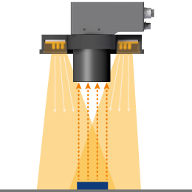
 |  |  |  |  |  | 10 ▼ | 10 | ●
Ring Lights of the LR-series (LR45, LR50 and LR70) |  |  |  |  |  | 14 ▼ | 14 | ●
 |  |  |  |  |  | 16 ▼ | 16 | ●
 |  |  |  |  |  | 23 ▼ | 23 | ●ׅ
WDmin
 | Beam angle in ° | ׅׅ●ׅׅ | 55 ▼ | 55 | Min. working distance WDmin | 28 ▼ | 28 | ●ׅ
WD
 | Working distance WD in mm |  | 900 |  | 91.25 | 31 ▼ | 31 | ●ׅ
 |  |  |  |  |  | 36 ▼ | 36 | ●ׅׅ
 |  |  |  |  |  | 44 ▼ | 44 | ●ׅׅ
 |  |  |  |  | Diagonal light field DLF | 49 ▼ | 49 | ●ׅׅ
 |  |  |  |  | 1032.02 | 48x19 ▼ | 48x19 | ◌
 |  |  |  |  |  | 55 ▼ | 55 | ׅׅ●ׅׅ
DLF
 |  |  |  |  |  | 70 ▼ | 70 | ׅׅ●ׅׅׅׅׅ

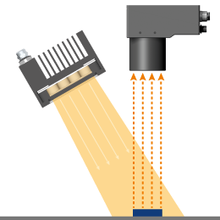
Area Flood Lights of the LQ-series (LQ100) |  |  |  |  |  | 10 ▼ | 10 | ●
 |  |  |  |  |  | 14 ▼ | 14 | ●
 | Beam angle in ° | ● | 14 ▼ | 14 | Light field XYLF | 28 ▼ | 28 | ●ׅ
 | Working distance WD in mm |  | 2500 |  | 664.17 | 31 ▼ | 31 | ●ׅ
 |  |  |  |  |  | 36 ▼ | 36 | ●ׅׅ
 |  |  |  |  |  | 49 ▼ | 49 | ●ׅׅ
WD

XYLF

Area Flood Lights of the LQHP-series (LQHP80) |  |  |  |  |  | 16 ▼ | 16 | ●
 |  |  |  |  |  | 23 ▼ | 23 | ●ׅ
 | Beam angle in ° | ● | 16 ▼ | 16 | Light field XYLF | 32 ▼ | 32 | ●ׅׅ
 | Working distance WD in mm |  | 2500 |  | 772.70

WD

XYLF

ALED
Bar Lights of the LB-series
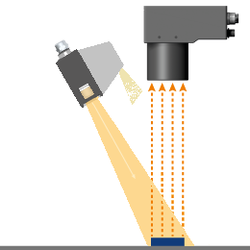
 |  |  |  | 19 |  | Balken
 | Beam angle in ° | ◌ | 48x19 ▼ | 48 | Width of light field XLF | LSB50 ▼ | 34
 | Please select your Bar Light: |  | LSB200 ▼ |  | 502.03 | LSB100 ▼ | 84
 | Working distance WD in mm |  | 1500 | 184 |  | LSB150 ▼ | 134
 |  |  |  |  | Length of light field YLF | LSB200 ▼ | 184
WD
 |  |  |  |  | 1519.69 | LB125 ▼ | 103
YLF
 |  |  |  |  |  | LB250 ▼ | 228
 |  |  |  |  |  | LB500 ▼ | 478
XLF
 |  |  |  |  |  | Winkel Balken
 |  |  |  |  |  | 16 ▼ | 16 | 16 | ●
 |  |  |  |  |  | 23 ▼ | 23 | 23 | ●ׅ
 |  |  |  |  |  | 44 ▼ | 44 | 44 | ●ׅׅ
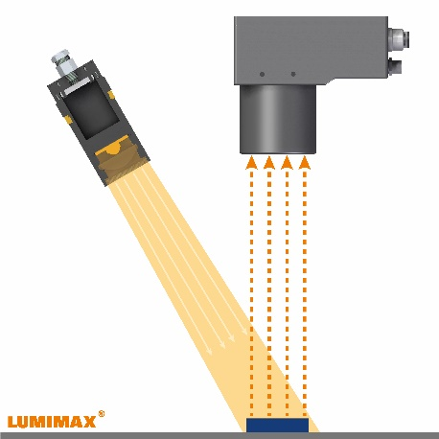
Spot 3W |  |  |  |  |  | 48x19 ▼ | 19 | 48 | ◌

 | Beam angle in ° | ●ׅׅׅ | 17 ▼ | 17 | Diagonal light field DLF
 | Working distance WD in mm |  | 1000 |  | 298.90 | 10 ▼ | 10 | ●
 |  |  |  |  |  | 12 ▼ | 12 | ●ׅׅׅ
 |  |  |  |  |  | 14 ▼ | 14 | ●
WD
 |  |  |  |  |  | 17 ▼ | 17 | ●ׅׅׅ
 |  |  |  |  |  | 23 ▼ | 23 | ○
 |  |  |  |  |  | 26 ▼ | 26 | ○
 |  |  |  |  |  | 28 ▼ | 28 | ●ׅ
DLF
 |  |  |  |  |  | 31 ▼ | 31 | ●ׅ
 |  |  |  |  |  | 36 ▼ | 36 | ●ׅׅ
 |  |  |  |  |  | 49 ▼ | 49 | ●ׅׅ

Image

Di
 | Length L |  | 700 |  | Diagonal light field Di
 | Width W |  | 900 |  | 1140.18
L
W

* This tool is intended as a practical guide to help you and is based on theoretical calculations. In practice, the values ​​may differ slightly. We therefore assume no liability for the accuracy of the calculated values.

